Sheet1
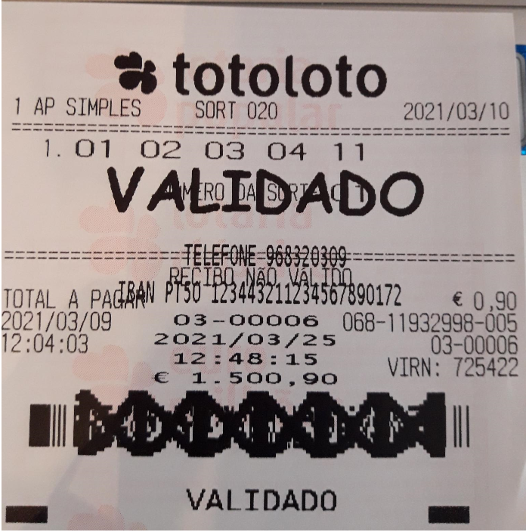
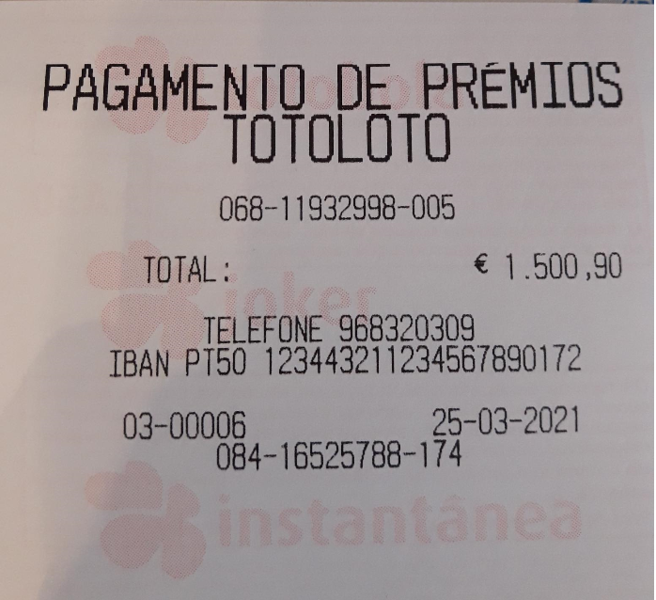
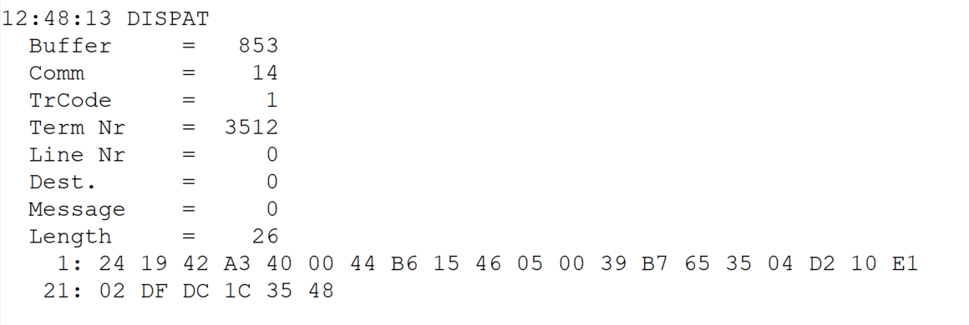
 |  |  |  |  | HEXA | BIN | DEC
TestByte |  | Size | Field Contents
Start | End
1 | 1 | 1 | Control | Sequence | 24 | Control=0010 Sequence=0110 | 2 4 | Control -> x10 - Application Message Sequence -> 4
2 | 2 | 1 | Type = 1 | Subtype = see below | 19 | Type=0001 Subtype=1001 | Type=1 Subtype=9 | Type = 1 9 = New Validation Inquiry Bank Transfer Accepted
3 | 4 | 2 | Checksum |  | 42 A3
5 | 5 | 1 | Statistics (see below) |  | 40 |  |  | x40 = Reader Entry
6 | 7 | 2 | Wager Julian Date |  | 00 44 |  | 68 | 31+28+9=068
8 | 10 | 3 | Wager Serial Number |  | B6 15 46 |  | 11932998 | 11932998
11 | 11 | 1 | Wager Check Digits |  | 05 |  | 5 | 5
12 | 12 | 1 | Telephone Number = 0 / Player Card = 1 |  | 00 |  | 0 | Telephone Number = 0
13 | 16 | 4 | Player Card / Telephone Number |  | 39 B7 65 35 |  | 968320309 | 968320309
17 | 26 | 10 | NIB |  | 04 D2 10 E1 02 DF DC 1C 35 48 |  | 22764498443492447237448 | 22764498443492447237448

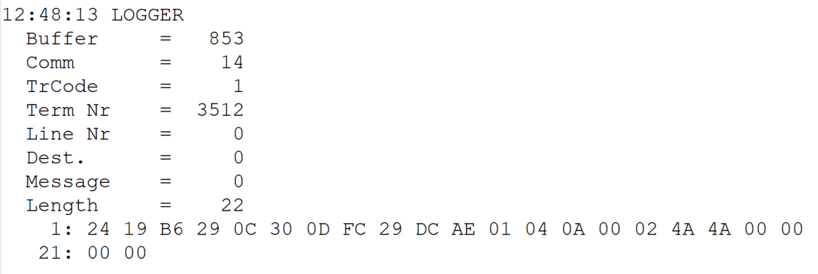
TestByte |  | Size | Field Contents
Start | End
1 | 1 | 1 | Control | Sequence | 24 | Control=0010 Sequence=0100 | 2 4 | Control -> x10 - Application Message Sequence -> 4
2 | 2 | 1 | Type = 1 | Subtype = see below | 19 | Type=0001 Subtype=1001 | Type=1 Subtype=9 | Type = 1 9 = New Validation Bank Transfer Accepted
3 | 4 | 2 | Checksum |  | B6 29
5 | 7 | 3 | Time |  | 0C 30 0D |  | 12:48:13 | 12:48:13
8 | 10 | 3 | Validation Serial Number |  | FC 29 DC |  | 16525788 | 16525788
11 | 11 | 1 | Validation Check Digits |  | AE |  | 174 | 174
12 | 12 | 1 | Game Type |  | 01 |  | 1 | LOTT - Totoloto
13 | 13 | 1 | Game Index |  | 04 |  | 4 | Quarta
14 | 14 | 1 | Validation Status |  | 0A |  | 10 | 10 = No Exchange Ticket
15 | 18 | 4 | Cash Amount (Validation Units) |  | 00 02 4A 4A |  | 150090 | 150090 Cent = 1500,90 Euros
19 | 22 | 4 | Refund Amount (Validation Units) |  | 00 00 00 00 |  | 0 | 0

